AOTELI
ORDER | CODE | CATEGORY | SIZE | PATTERN | LI | SS | QTY/40HQ | FILL
 | A114B003 | HP | 155/65R13 | P307 | 73 | T | 2470 | 0.00
 | A170B005 | HP | 155/65R14 | P307 | 75 | T | 1750 | 0.00
 | A228B001 | HP | 155/70R13 | P307 | 75 | T | 2200 | 0.00
 | A229B001 | HP | 155/80R13 | P307 | 79 | T | 1650 | 0.00
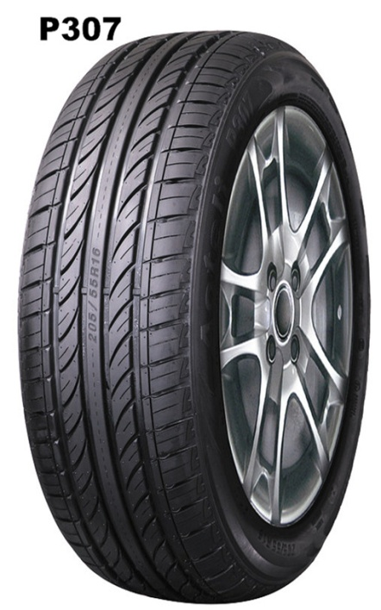
 | A008B005 | HP | 165/60R14 | P307 | 75 | H | 1900 | 0.00
 | A008B005 | HP | 165/60R14 | P307 | 75 | T | 1900 | 0.00
 | A110B001 | HP | 165/65R13 | P307 | 77 | T | 1960 | 0.00
 | A111B001 | HP | 165/70R13 | P307 | 79 | T | 1900 | 0.00
 | A007B003 | HP | 165/70R14 | P307 | 81 | T | 1850 | 0.00
 | A007B003 | HP | 165/70R14 | P307 | 85 | T | 1850 | 0.00
 | A225B001 | HP | 175/60R13 | P307 | 77 | T | 1750 | 0.00
 | A112B001 | HP | 175/65R13 | P307 | 80 | T | 1700 | 0.00
 | A001B001 | HP | 175/65R14 | P307 | 82 | H | 1810 | 0.00
 | A001B001 | HP | 175/65R14 | P307 | 82 | T | 1810 | 0.00
 | A001B001 | HP | 175/65R14 | P307 | 86 | H | 1810 | 0.00
 | A001B001 | HP | 175/65R14 | P307 | 82 | H | 1810 | 0.00
 | A115B001 | HP | 175/65R15 | P307 | 84 | H | 1500 | 0.00
 | A113B001 | HP | 175/70R13 | P307 | 82 | T | 1800 | 0.00
 | A109B001 | HP | 175/70R14 | P307 | 84 | H | 1750 | 0.00
 | A109B001 | HP | 175/70R14 | P307 | 84 | T | 1750 | 0.00
 | A109B001 | HP | 175/70R14 | P307 | 88 | H | 1750 | 0.00
 | A230B001 | HP | 185/50R16 | P307 | 85 | V | 1400 | 0.00
 | A116B002 | HP | 185/55R15 | P307 | 82 | H | 1320 | 0.00
 | A116B002 | HP | 185/55R15 | P307 | 82 | V | 1320 | 0.00
 | A231B001 | HP | 185/55R16 | P307 | 87 | V | 1350 | 0.00
 | A003B001 | HP | 185/60R14 | P307 | 82 | H | 1512 | 0.00
 | A117B001 | HP | 185/60R15 | P307 | 84 | H | 1300 | 0.00
 | A117B001 | HP | 185/60R15 | P307 | 88 | H | 1300 | 0.00
 | A005B001 | HP | 185/65R14 | P307 | 86 | H | 1470 | 0.00
 | A005B001 | HP | 185/65R14 | P307 | 86 | T | 1470 | 0.00
 | A005B001 | HP | 185/65R14 | P307 | 86 | H | 1470 | 0.00
 | A011B005 | HP | 185/65R15 | P307 | 88 | H | 1410 | 0.00
 | A227B005 | HP | 185/70R13 | P307 | 86 | H | 1700 | 0.00
 | A227B005 | HP | 185/70R13 | P307 | 86 | T | 1700 | 0.00
 | A009B010 | HP | 185/70R14 | P307 | 88 | H | 1490 | 0.00
 | A009B010 | HP | 185/70R14 | P307 | 88 | T | 1490 | 0.00
 | A013B001 | HP | 195/50R15 | P607 | 82 | V | 1430 | 0.00
 | A210B001 | HP | 195/50R16 | P607 | 84 | V | 1250 | 0.00
 | A210B001 | HP | 195/50R16 | P607 | 88 | V | 1250 | 0.00
 | A014B008 | HP | 195/55R15 | P607 | 85 | H | 1356 | 0.00
 | A014B008 | HP | 195/55R15 | P607 | 85 | V | 1356 | 0.00
 | A172B005 | HP | 195/55R16 | P607 | 87 | V | 1200 | 0.00
 | A062B002 | HP | 195/60R14 | P307 | 86 | H | 1200 | 0.00
 | A015B001 | HP | 195/60R15 | P307 | 88 | H | 1291 | 0.00
 | A015B001 | HP | 195/60R15 | P307 | 88 | V | 1291 | 0.00
 | A125B002 | HP | 195/60R16 | P307 | 89 | H | 1300 | 0.00
 | A017B001 | HP | 195/65R15 | P307 | 91 | H | 1250 | 0.00
 | A017B001 | HP | 195/65R15 | P307 | 91 | V | 1250 | 0.00
 | A017B001 | HP | 195/65R15 | P307 | 95 | H | 1250 | 0.00
 | A010B007 | HP | 195/70R14 | P307 | 91 | H | 1272 | 0.00
 | A010B007 | HP | 195/70R14 | P307 | 91 | T | 1272 | 0.00
 | A022B004 | HP | 205/50R16 | P607 | 87 | W | 1160 | 0.00
 | A039B001 | HP | 205/50R17 | P607 | 93 | W | 1070 | 0.00
 | A023B019 | HP | 205/55R16 | P607 | 91 | V | 1196 | 0.00
 | A023B018 | HP | 205/55R16 | P607 | 91 | W | 1196 | 0.00
 | A023B001 | HP | 205/55R16 | P307 | 91 | V | 1196 | 0.00
 | A023B003 | HP | 205/55R16 | P307 | 94 | W | 1196 | 0.00
 |  | HP | 205/55R17 | P607 | 95 | W
 | A226B001 | HP | 205/60R14 | P607 | 88 | T | 1300 | 0.00
 | A019B001 | HP | 205/60R15 | P307 | 91 | H | 1148 | 0.00
 | A019B001 | HP | 205/60R15 | P307 | 91 | V | 1148 | 0.00
 | A019B001 | HP | 205/60R15 | P307 | 95 | H | 1148 | 0.00
 | A019B001 | HP | 205/60R15 | P307 | 95 | V | 1148 | 0.00
 | A348B003 | HP | 205/60R16 | P307 | 92 | H | 1100 | 0.00
 | A348B003 | HP | 205/60R16 | P307 | 92 | V | 1100 | 0.00
 | A020B001 | HP | 205/65R15 | P307 | 94 | H | 1170 | 0.00
 | A020B001 | HP | 205/65R15 | P307 | 94 | V | 1170 | 0.00
 | A020B001 | HP | 205/65R15 | P307 | 99 | V | 1170 | 0.00
 | A153B001 | HP | 205/65R16 | P307 | 99 | H | 980 | 0.00
 | A215B001 | HP | 205/70R14 | P307 | 95 | T | 1280 | 0.00
 | A215B001 | HP | 205/70R14 | P307 | 98 | T | 1280 | 0.00
 | A118B001 | HP | 205/70R15 | P307 | 96 | H | 950 | 0.00
 | A128B001 | HP | 215/50R17 | P607 | 95 | W | 1050 | 0.00
 | A033B001 | HP | 215/55R16 | P607 | 97 | W | 1040 | 0.00
 | A042B005 | HP | 215/55R17 | P607 | 98 | W | 924 | 0.00
 | A029B017 | HP | 215/60R16 | P307 | 95 | H | 952 | 0.00
 | A029B017 | HP | 215/60R16 | P307 | 95 | V | 952 | 0.00
 | A029B017 | HP | 215/60R16 | P307 | 99 | H | 952 | 0.00
 | A029B017 | HP | 215/60R16 | P307 | 99 | V | 952 | 0.00
 | A119B001 | HP | 215/65R15 | P307 | 96 | H | 950 | 0.00
 | A121B007 | HP | 215/70R15 | P307 | 98 | H | 920 | 0.00
 | A121B007 | HP | 215/70R15 | P307 | 98 | T | 920 | 0.00
 | A030B005 | HP | 225/50R16 | P307 | 96 | W | 902 | 0.00
 | A129B002 | HP | 225/50R17 | P607 | 98 | W | 900 | 0.00
 | A035B004 | HP | 225/55R16 | P607 | 95 | V | 828 | 0.00
 | A035B004 | HP | 225/55R16 | P607 | 99 | H | 828 | 0.00
 | A035B004 | HP | 225/55R16 | P607 | 99 | V | 828 | 0.00
 | A045B003 | HP | 225/55R17 | P607 | 101 | W | 920 | 0.00
 | A032B001 | HP | 225/60R16 | P307 | 98 | H | 974 | 0.00
 | A344B014 | HP | 235/50R17 | P607 | 100 | V | 850 | 0.00
 | A344B014 | HP | 235/50R17 | P607 | 100 | W | 850 | 0.00
 | A344B014 | HP | 235/50R17 | P607 | 96 | W | 850 | 0.00
 | A345B008 | HP | 235/50R18 | P607 | 101 | V | 780 | 0.00
 | A345B008 | HP | 235/50R18 | P607 | 101 | W | 780 | 0.00
 | A047B001 | HP | 235/55R17 | P607 | 103 | W | 850 | 0.00
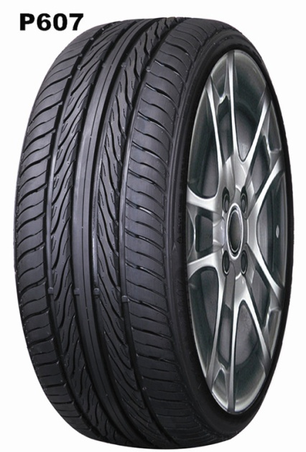
 | A047B001 | HP | 235/55R17 | P607 | 99 | W | 850 | 0.00
 | A346B008 | HP | 245/55R19 | P607 | 103 | V | 650 | 0.00
 | A346B008 | HP | 245/55R19 | P607 | 103 | W | 650 | 0.00
 | A347B011 | HP | 255/40R19 | P607 | 100 | V | 750 | 0.00
 | A347B011 | HP | 255/40R19 | P607 | 100 | W | 750 | 0.00
 | A347B011 | HP | 255/40R19 | P607 | 100 | Y | 750 | 0.00
 | A139B001 | HP | 275/55R20 | P607 | 117 | W | 520 | 0.00
 | A061B001 | HP | 285/50R20 | P607 | 116 | V | 500 | 0.00
 | A171B004 | UHP | 195/45R16 | P607 | 84 | V | 1200 | 0.00
 | A037B001 | UHP | 205/40R17 | P607 | 84 | W | 1310 | 0.00
 | A037B001 | UHP | 205/40R17 | P607 | 80 | V | 1310 | 0.00
 | A173B004 | UHP | 205/45R16 | P607 | 87 | W | 1100 | 0.00
 | A038B014 | UHP | 205/45R17 | P607 | 84 | W | 1163 | 0.00
 | A038B014 | UHP | 205/45R17 | P607 | 88 | W | 1163 | 0.00
 | A049B004 | UHP | 215/35R18 | P607 | 84 | W | 1180 | 0.00
 | A040B001 | UHP | 215/40R17 | P607 | 87 | W | 1100 | 0.00
 |  | UHP | 215/45R16 | P607 | 86 | V
 | A041B001 | UHP | 215/45R17 | P607 | 91 | W | 1040 | 0.00
 | A041B001 | UHP | 215/45R17 | P607 | 91 | W | 1040 | 0.00
 | A058B001 | UHP | 225/35R19 | P607 | 88 | W | 950 | 0.00
 | A212B005 | UHP | 225/35R20 | P607 | 90 | W | 840 | 0.00
 | A050B005 | UHP | 225/40R18 | P607 | 92 | W | 976 | 0.00
 | A043B001 | UHP | 225/45R17 | P607 | 94 | W | 988 | 0.00
 | A052B001 | UHP | 225/45R18 | P607 | 95 | W | 914 | 0.00
 | A211B005 | UHP | 235/35R19 | P607 | 91 | W | 850 | 0.00
 | A053B006 | UHP | 235/40R18 | P607 | 95 | W | 906 | 0.00
 | A046B001 | UHP | 235/45R17 | P607 | 97 | W | 900 | 0.00
 | A232B001 | UHP | 235/45R18 | P607 | 98 | Y | 850 | 0.00
 | A059B001 | UHP | 245/35R19 | P607 | 93 | W | 700 | 0.00
 | A305B002 | UHP | 245/35R20 | P607 | 95 | W | 750 | 0.00
 | A218B001 | UHP | 245/40R17 | P607 | 95 | W | 850 | 0.00
 | A054B009 | UHP | 245/40R18 | P607 | 97 | W | 800 | 0.00
 | A048B006 | UHP | 245/45R17 | P607 | 99 | W | 800 | 0.00
 | A055B007 | UHP | 245/45R18 | P607 | 100 | W | 800 | 0.00
 | A055B007 | UHP | 245/45R18 | P607 | 96 | W | 800 | 0.00
 |  | UHP | 245/45R20 | P607 | 99 | W
 | A133B003 | UHP | 255/35R18 | P607 | 94 | W | 780 | 0.00
 | A233B001 | UHP | 255/35R19 | P607 | 96 | Y | 770 | 0.00
 | A138B005 | UHP | 255/35R20 | P607 | 97 | W | 630 | 0.00
 | A057B001 | UHP | 255/45R18 | P607 | 103 | W | 750 | 0.00
 | A219B001 | UHP | 265/30R19 | P607 | 93 | W | 560 | 0.00
 | A306B002 | UHP | 265/35R22 | P607 | 102 | W | 440 | 0.00
 |  | UHP | 265/45R20 | P607 | 104 | W
 | A137B001 | UHP | 275/30R19 | P607 | 96 | W | 510 | 0.00
 | A234B001 | UHP | 275/40R20 | P607 | 106 | Y | 630 | 0.00
 | A060B003 | UHP | 275/45R20 | P607 | 106 | V | 580 | 0.00
 | A060B003 | UHP | 275/45R20 | P607 | 110 | V | 580 | 0.00
 | A235B001 | UHP | 285/35R22 | P607 | 112 | W | 470 | 0.00
 | A220B001 | UHP | 305/35R24 | P607 | 112 | W | 400 | 0.00
 | A307B002 | UHP | 305/40R22 | P607 | 114 | W | 520 | 0.00
 | A308B002 | UHP | 305/45R22 | P607 | 118 | W | 480 | 0.00
 |  | UHP | 315/35ZR20 | P607 | 110 | Y
 | A348B003 | SUV | 205/60R16 | ECOSAVER | 96 | V | 1100 | 0.00
 | A402B003 | SUV | 215/55R18 | ECOSAVER | 99 | V
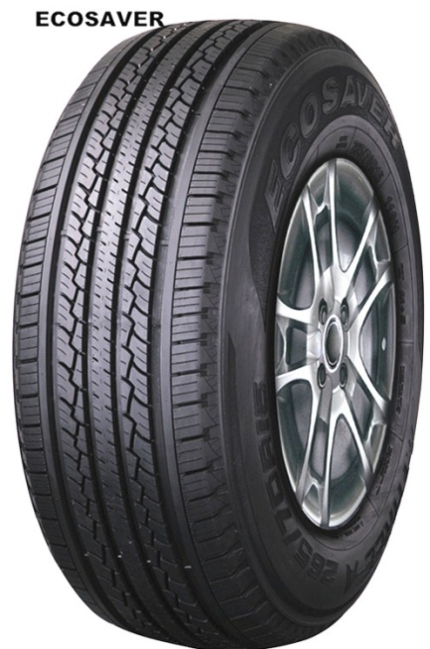
 | A029B017 | SUV | 215/60R16 | ECOSAVER | 95 | H | 952 | 0.00
 | A029B017 | SUV | 215/60R16 | ECOSAVER | 99 | H | 952 | 0.00
 | A082B004 | SUV | 215/60R17 | ECOSAVER | 96 | H | 800 | 0.00
 | A064B007 | SUV | 215/65R16 | ECOSAVER | 98 | H | 920 | 0.00
 | A121B007 | SUV | 215/70R15 | ECOSAVER | 98 | H | 920 | 0.00
 | A104B002 | SUV | 215/70R16 | ECOSAVER | 100 | H | 900 | 0.00
 | A122B004 | SUV | 215/75R15 | ECOSAVER | 100 | H | 890 | 0.00
 | A032B001 | SUV | 225/60R16 | ECOSAVER | 98 | H | 974 | 0.00
 | A083B004 | SUV | 225/60R17 | ECOSAVER | 99 | H | 750 | 0.00
 | A130B001 | SUV | 225/60R18 | ECOSAVER | 100 | H | 800 | 0.00
 | A217B007 | SUV | 225/65R16 | ECOSAVER | 100 | H | 850 | 0.00
 | A085B004 | SUV | 225/65R17 | ECOSAVER | 102 | H | 750 | 0.00
 | A123B004 | SUV | 225/70R15 | ECOSAVER | 100 | H | 900 | 0.00
 | A106B001 | SUV | 225/70R16 | ECOSAVER | 102 | T | 800 | 0.00
 | A086B004 | SUV | 225/70R17 | ECOSAVER | 108 | T | 750 | 0.00
 | A216B007 | SUV | 225/75R15 | ECOSAVER | 102 | H | 850 | 0.00
 | A350B010 | SUV | 235/55R18 | ECOSAVER | 100 | V | 700 | 0.00
 | A350B010 | SUV | 235/55R18 | ECOSAVER | 104 | V | 700 | 0.00
 | A066B001 | SUV | 235/60R16 | ECOSAVER | 100 | H | 810 | 0.00
 | A349B003 | SUV | 235/60R17 | ECOSAVER | 102 | H | 700 | 0.00
 | A349B003 | SUV | 235/60R17 | ECOSAVER | 106 | V | 700 | 0.00
 | A131B001 | SUV | 235/60R18 | ECOSAVER | 103 | H | 770 | 0.00
 | A107B001 | SUV | 235/65R16 | ECOSAVER | 103 | T | 800 | 0.00
 | A087B001 | SUV | 235/65R17 | ECOSAVER | 104 | H | 620 | 0.00
 | A087B001 | SUV | 235/65R17 | ECOSAVER | 108 | H | 620 | 0.00
 | A351B009 | SUV | 235/65R18 | ECOSAVER | 106 | V | 650 | 0.00
 | A351B009 | SUV | 235/65R18 | ECOSAVER | 110 | V | 650 | 0.00
 | A070B008 | SUV | 235/70R16 | ECOSAVER | 106 | H | 702 | 0.00
 | A213B010 | SUV | 235/70R17 | ECOSAVER | 107 | H | 620 | 0.00
 | A213B010 | SUV | 235/70R17 | ECOSAVER | 111 | H | 620 | 0.00
 | A124B001 | SUV | 235/75R15 | ECOSAVER | 105 | H | 780 | 0.00
 | A132B007 | SUV | 245/60R18 | ECOSAVER | 104 | H | 730 | 0.00
 | A089B003 | SUV | 245/65R17 | ECOSAVER | 107 | H | 634 | 0.00
 | A073B005 | SUV | 245/70R16 | ECOSAVER | 107 | H | 660 | 0.00
 | A073B005 | SUV | 245/70R16 | ECOSAVER | 111 | H | 660 | 0.00
 | A108B007 | SUV | 245/70R17 | ECOSAVER | 108 | T | 650 | 0.00
 | A126B006 | SUV | 245/75R16 | ECOSAVER | 111 | H | 620 | 0.00
 | A353B003 | SUV | 255/50R19 | ECOSAVER | 103 | V | 600 | 0.00
 | A353B003 | SUV | 255/50R19 | ECOSAVER | 107 | Y | 600 | 0.00
 | A352B003 | SUV | 255/55R18 | ECOSAVER | 109 | V | 650 | 0.00
 | A352B003 | SUV | 255/55R18 | ECOSAVER | 109 | W | 650 | 0.00
 | A074B003 | SUV | 255/65R16 | ECOSAVER | 109 | H | 720 | 0.00
 | A090B006 | SUV | 255/65R17 | ECOSAVER | 110 | H | 650 | 0.00
 | A077B002 | SUV | 255/70R16 | ECOSAVER | 111 | T | 625 | 0.00
 | A091B001 | SUV | 255/70R17 | ECOSAVER | 110 | T | 600 | 0.00
 | A091B001 | SUV | 255/70R17 | ECOSAVER | 112 | T | 600 | 0.00
 | A136B006 | SUV | 255/70R18 | ECOSAVER | 112 | H | 570 | 0.00
 | A134B004 | SUV | 265/60R18 | ECOSAVER | 110 | H | 600 | 0.00
 | A093B004 | SUV | 265/65R17 | ECOSAVER | 112 | H | 650 | 0.00
 | A093B004 | SUV | 265/65R17 | ECOSAVER | 112 | T | 650 | 0.00
 | A063B020 | SUV | 265/70R15 | ECOSAVER | 110 | H | 620 | 0.00
 | A063B020 | SUV | 265/70R15 | ECOSAVER | 112 | H | 620 | 0.00
 | A080B005 | SUV | 265/70R16 | ECOSAVER | 112 | H | 570 | 0.00
 | A080B005 | SUV | 265/70R16 | ECOSAVER | 112 | T | 570 | 0.00
 | A095B005 | SUV | 265/70R17 | ECOSAVER | 113 | H | 540 | 0.00
 | A095B005 | SUV | 265/70R17 | ECOSAVER | 115 | H | 540 | 0.00
 | A127B009 | SUV | 265/75R16 | ECOSAVER | 116 | H | 520 | 0.00
 | A127B009 | SUV | 265/75R16 | ECOSAVER | 116 | T | 520 | 0.00
 | A096B010 | SUV | 275/60R17 | ECOSAVER | 110 | H | 500 | 0.00
 | A098B003 | SUV | 275/65R17 | ECOSAVER | 115 | H | 500 | 0.00
 | A098B003 | SUV | 275/65R17 | ECOSAVER | 115 | T | 500 | 0.00
 | A098B003 | SUV | 275/65R17 | ECOSAVER | 119 | H | 500 | 0.00
 | A081B013 | SUV | 275/70R16 | ECOSAVER | 114 | H | 600 | 0.00
 | A135B007 | SUV | 285/60R18 | ECOSAVER | 120 | H | 450 | 0.00
 | A135B007 | SUV | 285/60R18 | ECOSAVER | 120 | V | 450 | 0.00
 | A099B001 | SUV | 285/65R17 | ECOSAVER | 116 | H | 450 | 0.00
 | A099B001 | SUV | 285/65R17 | ECOSAVER | 116 | T | 450 | 0.00
 | A104B002 | AT | 215/70R16 | ECOLANDER | 99 | T | 900 | 0.00
 | A221B004 | AT | 215/75R15LT | ECOLANDER | 106/103 | S | 800 | 0.00
 | A141B001 | AT | 215/85R16LT | ECOLANDER | 115/112 | S | 700 | 0.00
 | A106B001 | AT | 225/70R16 | ECOLANDER | 101 | T | 800 | 0.00
 | A106B001 | AT | 225/70R16 | ECOLANDER | 107 | T | 800 | 0.00
 | A222B005 | AT | 225/75R15LT | ECOLANDER | 108/104 | S | 750 | 0.00
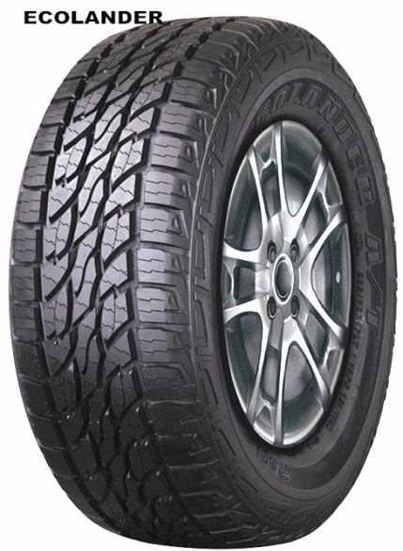
 | A143B002 | AT | 225/75R16LT | ECOLANDER | 115/112 | S | 750 | 0.00
 | A070B008 | AT | 235/70R16 | ECOLANDER | 104 | T | 702 | 0.00
 | A070B008 | AT | 235/70R16 | ECOLANDER | 106 | T | 702 | 0.00
 | A142B005 | AT | 235/75R15LT | ECOLANDER | 110/107 | S | 700 | 0.00
 | A140B001 | AT | 235/85R16LT | ECOLANDER | 120/116 | S | 680 | 0.00
 | A073B005 | AT | 245/70R16 | ECOLANDER | 106 | T | 660 | 0.00
 | A073B005 | AT | 245/70R16 | ECOLANDER | 111 | T | 660 | 0.00
 | A144B006 | AT | 245/75R16LT | ECOLANDER | 120/116 | S | 650 | 0.00
 | A147B005 | AT | 245/75R17LT | ECOLANDER | 121/118 | S | 650 | 0.00
 | A077B002 | AT | 255/70R16 | ECOLANDER | 109 | T | 625 | 0.00
 | A077B002 | AT | 255/70R16 | ECOLANDER | 111 | T | 625 | 0.00
 | A093B004 | AT | 265/65R17 | ECOLANDER | 110 | T | 650 | 0.00
 | A093B004 | AT | 265/65R17 | ECOLANDER | 112 | T | 650 | 0.00
 | A080B005 | AT | 265/70R16 | ECOLANDER | 111 | T | 570 | 0.00
 | A080B005 | AT | 265/70R16 | ECOLANDER | 112 | T | 570 | 0.00
 | A223B003 | AT | 265/70R16LT | ECOLANDER | 121/118 | R | 600 | 0.00
 | A095B005 | AT | 265/70R17 | ECOLANDER | 113 | T | 540 | 0.00
 | A148B005 | AT | 265/70R17LT | ECOLANDER | 121/118 | S | 530 | 0.00
 | A145B003 | AT | 265/75R16LT | ECOLANDER | 123/120 | S | 600 | 0.00
 | A098B003 | AT | 275/65R17 | ECOLANDER | 113 | T | 500 | 0.00
 | A098B003 | AT | 275/65R17 | ECOLANDER | 115 | T | 500 | 0.00
 | A151B005 | AT | 275/65R18LT | ECOLANDER | 123/120 | S | 550 | 0.00
 | A149B001 | AT | 285/70R17LT | ECOLANDER | 121/118 | S | 480 | 0.00
 | A146B003 | AT | 285/75R16LT | ECOLANDER | 126/123 | R | 500 | 0.00
 | A304B003 | AT | 305/70R17LT | ECOLANDER | 121/118 | R | 300 | 0.00
 | A152B002 | AT | 31×10.50R15LT | ECOLANDER | 109 | S | 500 | 0.00
 | A150B002 | AT | 315/70R17LT | ECOLANDER | 121/118 | R | 440 | 0.00
 | A100B003 | C | 155R13C | EFFIVAN | 85/83 | S | 2000 | 0.00
 | A342B001 | C | 165/70R13C | EFFIVAN | 88/86 | T | 1750 | 0.00
 | A342B005 | C | 165/70R13LT | EFFIVAN | 88/86 | T | 1750 | 0.00
 | A337B001 | C | 165R13C | EFFIVAN | 94/93 | R | 1550 | 0.00
 | A337B005 | C | 165R13LT | EFFIVAN | 94/93 | R | 1550 | 0.00
 | A338B001 | C | 165R14C | EFFIVAN | 96/95 | R | 1400 | 0.00
 | A338B005 | C | 165R14LT | EFFIVAN | 96/95 | R | 1400 | 0.00
 | A161B005 | C | 175/70R14C | EFFIVAN | 95/93 | S | 1350 | 0.00
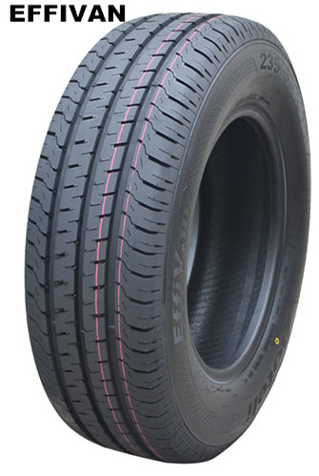
 | A161B005 | C | 175/70R14C | EFFIVAN | 95/93 | T | 1350 | 0.00
 | A339B005 | C | 175R13C | EFFIVAN | 97/95 | R | 1400 | 0.00
 | A339B005 | C | 175R13C | EFFIVAN | 97/95 | S | 1400 | 0.00
 | A339B013 | C | 175R13LT | EFFIVAN | 97/95 | R | 1400 | 0.00
 | A339B013 | C | 175R13LT | EFFIVAN | 97/95 | S | 1400 | 0.00
 | A340B001 | C | 175R14C | EFFIVAN | 99/98 | R | 1280 | 0.00
 | A340B005 | C | 175R14LT | EFFIVAN | 99/98 | R | 1280 | 0.00
 | A165B005 | C | 185/75R16C | EFFIVAN | 104/102 | R | 1100 | 0.00
 | A165B005 | C | 185/75R16C | EFFIVAN | 104/102 | R | 1100 | 0.00
 | A168B001 | C | 185R14C | EFFIVAN | 102/100 | Q | 1200 | 0.00
 | A341B001 | C | 185R15C | EFFIVAN | 103/102 | R | 1100 | 0.00
 | A341B005 | C | 185R15LT | EFFIVAN | 103/102 | R | 1100 | 0.00
 | A156B003 | C | 195/65R16C | EFFIVAN | 100/98 | R | 920 | 0.00
 | A156B003 | C | 195/65R16C | EFFIVAN | 104/102 | R | 920 | 0.00
 | A156B003 | C | 195/65R16C | EFFIVAN | 104/102 | T | 920 | 0.00
 | A162B002 | C | 195/70R15C | EFFIVAN | 104/102 | R | 1100 | 0.00
 | A166B006 | C | 195/75R16C | EFFIVAN | 107/105 | R | 1050 | 0.00
 | A169B001 | C | 195R14C | EFFIVAN | 106/104 | Q | 1100 | 0.00
 | A154B001 | C | 195R15C | EFFIVAN | 106/104 | Q | 1050 | 0.00
 | A157B008 | C | 205/65R16C | EFFIVAN | 107/105 | R | 880 | 0.00
 | A157B008 | C | 205/65R16C | EFFIVAN | 107/105 | T | 880 | 0.00
 | A163B006 | C | 205/70R15C | EFFIVAN | 106/104 | R | 970 | 0.00
 | A155B001 | C | 205R14C | EFFIVAN | 109/107 | S | 1000 | 0.00
 | A158B008 | C | 215/65R16C | EFFIVAN | 109/107 | R | 830 | 0.00
 | A158B008 | C | 215/65R16C | EFFIVAN | 109/107 | T | 830 | 0.00
 | A343B005 | C | 215/70R15C | EFFIVAN | 104/101 | S | 900 | 0.00
 | A343B005 | C | 215/70R15C | EFFIVAN | 109/107 | S | 900 | 0.00
 | A343B013 | C | 215/70R15LT | EFFIVAN | 104/101 | S | 900 | 0.00
 | A343B013 | C | 215/70R15LT | EFFIVAN | 109/107 | S | 900 | 0.00
 | A167B001 | C | 215/75R16C | EFFIVAN | 116/114 | R | 820 | 0.00
 | A167B001 | C | 215/75R16C | EFFIVAN | 113/111 | R | 820 | 0.00
 | A159B003 | C | 225/65R16C | EFFIVAN | 112/110 | R | 780 | 0.00
 | A159B003 | C | 225/65R16C | EFFIVAN | 112/110 | T | 780 | 0.00
MUDMAXX
 | A164B001 | C | 225/70R15C | EFFIVAN | 112/110 | S | 900 | 0.00
 | A160B006 | C | 235/65R16C | EFFIVAN | 115/113 | R | 700 | 0.00
 | A334B002 | MT | 33×12.50R17LT | MUDMAXX | 120 | Q | 420 | 0.00
 | A334B002 | MT | 33×12.50R17LT | MUDMAXX | 114 | Q | 420 | 0.00
 | A335B002 | MT | 33×12.50R18LT | MUDMAXX | 118 | Q | 380 | 0.00
 | A336B002 | MT | 33×12.50R20LT | MUDMAXX | 114 | Q | 390 | 0.00
 | A327B002 | MT | LT265/70R17 | MUDMAXX | 121/118 | Q | 490 | 0.00
 | A327B002 | MT | LT265/70R17 | MUDMAXX | 118/115 | Q | 490 | 0.00
 | A324B002 | MT | LT265/75R16 | MUDMAXX | 123/120 | Q | 527 | 0.00
 | A324B002 | MT | LT265/75R16 | MUDMAXX | 119/116 | Q | 527 | 0.00
 | A331B002 | MT | LT275/65R18 | MUDMAXX | 123/120 | Q | 460 | 0.00
 | A332B002 | MT | LT285/55R20 | MUDMAXX | 122/119 | Q | 400 | 0.00
 | A332B002 | MT | LT285/55R20 | MUDMAXX | 117/114 | Q | 400 | 0.00
 | A328B002 | MT | LT285/70R17 | MUDMAXX | 121/118 | Q | 434 | 0.00
 | A328B002 | MT | LT285/70R17 | MUDMAXX | 121/118 | Q | 434 | 0.00
 | A325B002 | MT | LT285/75R16 | MUDMAXX | 126/123 | Q | 480 | 0.00
 | A325B002 | MT | LT285/75R16 | MUDMAXX | 122/119 | Q | 480 | 0.00
 | A329B002 | MT | LT295/70R17 | MUDMAXX | 121/118 | Q | 420 | 0.00
0 | TOTAL |  |  |  |  |  |  | 0.00

